Аркуш1
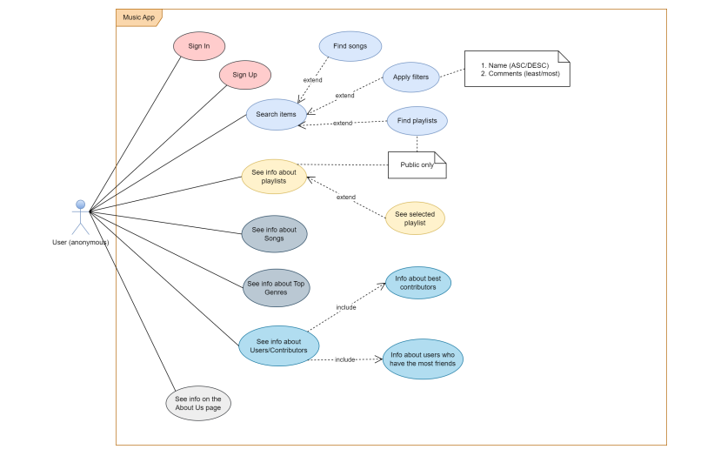
Epic |  | Feachers | Epic
Profile | 1 | Sing up | Profile
Music Search | 2 | Sing in | Profile
Playlists | 3 | Log out | Profile
Playback | 4 | Edit profile | Profile
Friends activities | 5 | View own profile | Profile
Info pages | 6 | View other users’ profiles | Profile
 | 7 | Search by song title | Music Search
 | 8 | Search by artist | Music Search
 | 9 | Search by album | Music Search
 | 10 | Search by genre | Music Search
 | 11 | Apply filters | Music Search
 | 12 | View search results with preview | Music Search
 | 13 | Search playlists | Music Search
 | 14 | Create new playlist | Playlists
 | 15 | Rename / delete playlist | Playlists
 | 16 | Add song to playlist | Playlists
 | 17 | Remove song from playlist | Playlists
 | 18 | Reorder songs in playlist | Playlists
 | 19 | View all playlists | Playlists
 | 20 | View playlist details | Playlists
 | 21 | Access favorite songs pl. | Playlists
 | 22 | Player* | Playback
 | 23 | Shuffle playback | Playback
 | 24 | Loop song / Repeat playlist | Playback
 | 25 | Adjust volume | Playback
 | 26 | Seek within track | Playback
 | 27 | View current track info | Playback
 | 28 | Add friend | Friends activities
 | 29 | Delete friend | Friends activities
 | 30 | See friend list | Friends activities
 | 31 | See friend public playlists | Friends activities
 | 32 | Copy and paste link | Friends activities
 | 33 | About Us page | Info pages
 | 34 | Help / FAQ page | Info pages
 | 35 | Contact page for feedback | Info pages
 | 36 | Info about genres | Info pages
 | 37 | Privacy Policy | Info pages

